Sheet1
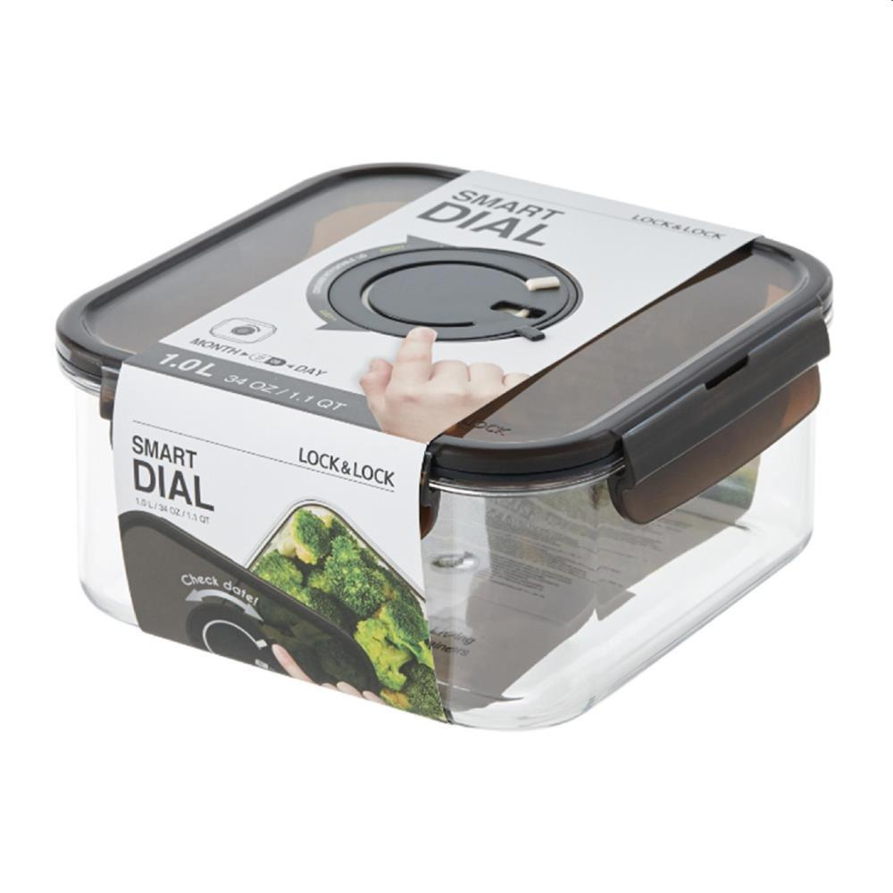
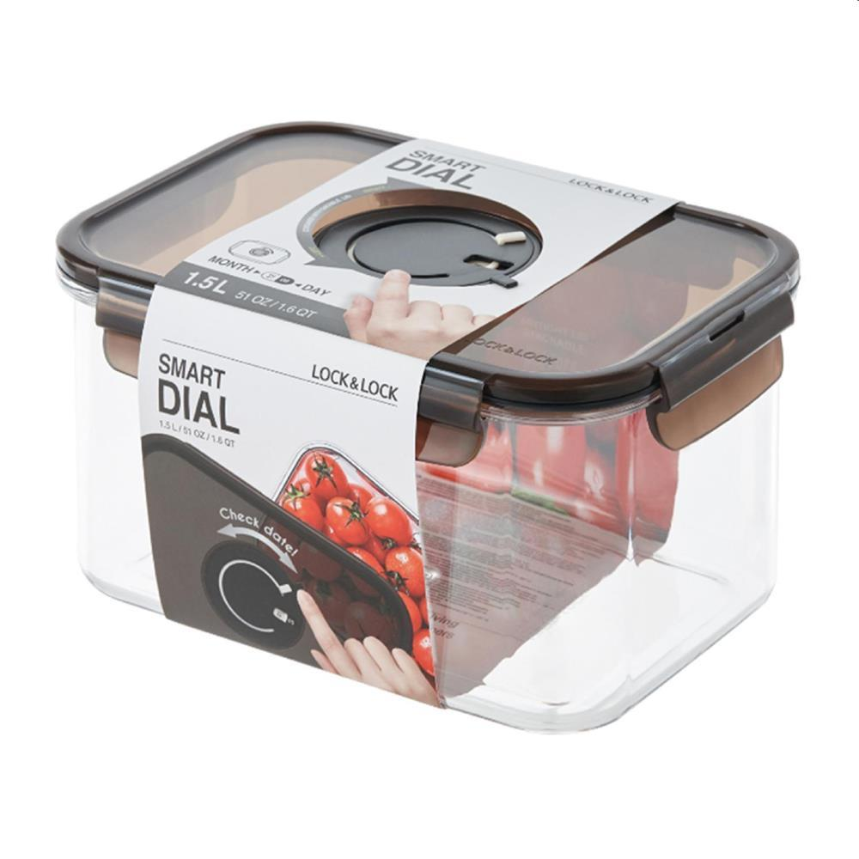
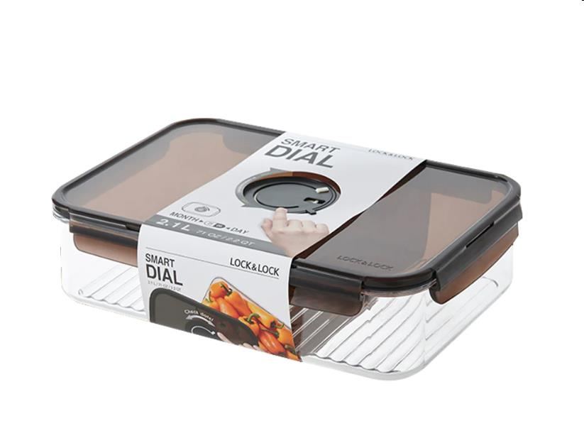
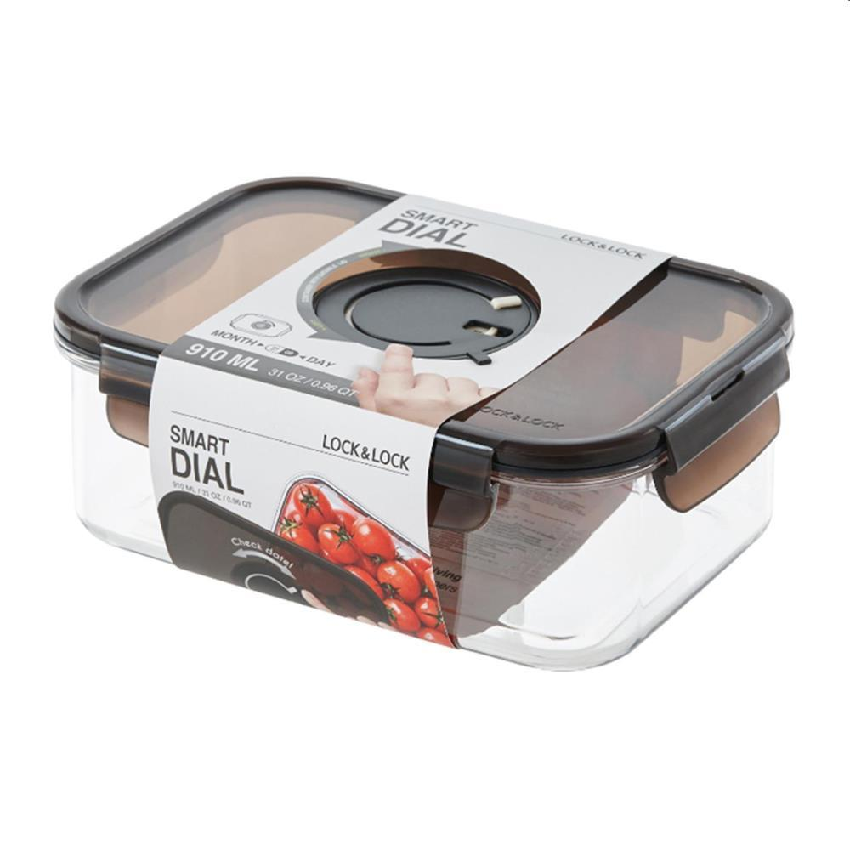
Picture | Item code | Description | Extra information | Restriction | Stock | Sales price EXW | Retail price | Barcode | Quantity PU | Quantity pallet | Pallet | Origin | Customs code | Item weight | Languages on package | Group
 | 21981 | Locknlock Smartdial, Tritan BPA free Square DialContainer 1L 16x16x8cm | LBF452NLP | Only Sales in EU, Except For Nordic Countries + No Use Of Brand or Logo in Any Form Of Advertisement, Promotion or Marketing or to TJ MAX | 20918 | 1.89 | 11.99 | 8803733292849 | 6 | 336 |  | ROK | 3924100090 | 0 |  | Locknlock Smartdial
 | 21977 | Locknlock Smartdial, Tritan BPA free Rectangular DialContainer 1,5L 19x14x10cm | LBF405NLP | Only Sales in EU, Except For Nordic Countries + No Use Of Brand or Logo in Any Form Of Advertisement, Promotion or Marketing or to TJ MAX | 15983 | 2.29 | 12.99 | 8803733292887 | 6 | 252 |  | ROK | 3924100090 | 0 |  | Locknlock Smartdial
 | 21978 | Locknlock Smartdial, Tritan BPA free Rectangular DialContainer 2,1L 28x19x8cm | LBF406NLP | Only Sales in EU, Except For Nordic Countries + No Use Of Brand or Logo in Any Form Of Advertisement, Promotion or Marketing or to TJ MAX | 7576 | 2.79 | 14.99 | 8803733292870 | 4 | 192 |  | ROK | 3924100090 | 0 |  | Locknlock Smartdial
 | 21976 | Locknlock Smartdial, Tritan BPA free Rectangular DialContainer 910ml 19x14x7cm | LBF404NLP | Only Sales in EU, Except For Nordic Countries + No Use Of Brand or Logo in Any Form Of Advertisement, Promotion or Marketing or to TJ MAX | 5647 | 1.89 | 10.99 | 8803733292832 | 6 | 336 |  | ROK | 3924100090 | 0 |  | Locknlock Smartdial

